1. Title Page
[Basket Analysis]

Project Name: Instacart Basket Analysis
Date: Nov. 4, 2022
Analyst Name: Joel Foster

Contents:
Population Flow
Consistency checks
Wrangling steps
Column derivations
Descriptive Stats
Data Driven Recommendations

2. Population Flow
Population flow

Final Dataset Exclusion Flags
Condition: max_order < 5
Obervations to be removed:
Final total count of order_products_all: 32404859

orders_products_prior_combined
orders_products_combined
FinalDataFrame
FinalDataFrame_MoreThan5

Total: 32404859
Total: 32404859
Total: 32404859
30964564

1.) The grey boxes in the first row of the population flow represent the original data sets as they were when you downloaded them. In the Total fields you need to add the count of the rows when you imported the data set into Jupyter.
2.) The second row of boxes (coloured) represents the data sets after you manipulated them, e.g., removed missing values and duplicates. In the Total fields you need to add the count of the rows after conducting these operations. This offers a visual oveview of how the data flows throughout the data consistency checks.
3.) The third row, where also the arrows are coloured, represents the merges you performed between the datasets. In the Total fields you need to add the count of the rows in the merged datasets, so that you end up with the final dataset (in the red box). Keep in mind the final dataset should be without exclusions (based on the exclusion flag).
Final Dataframes | Shape | Desc
FinalDataFrame | (32404859, 35) | Final Dataframe with 32404859 recorded product transactions
FinalDataFrame_MoreThan5 | (30964564, 35) | Subset of FinalDataFrame with only user_id's that have more than 5 orders placed
FinalDataFrame_MoreThan5_DistinctUser | (162631, 9) | Subset of FinalDataFrame_MoreThan5 used for demographic analysis. These dataframe
 |  | only has 1 row per user_id. Shows the number of users with over 5 orders

3. Consistency checks
Consistency checks

Dataset | Missing values | Missing values treatment | Duplicates
orders | days_since_prior_order | none. Represent customers who have only ordered once
products | product_name | removed from working dataframe
products |  |  | 5 duplicates removied

4. Wrangling steps
Wrangling steps

Table | Columns dropped | Columns renamed | Columns' type changed | Comment/Reason
Orders | eval_set |  |  | Not needed for analysis
Orders |  | order_dow |  | Renamed order_day_of_week
Orders |  |  | order_id -> string | Ensure not analyzed as numeric value
Orders |  | order_hour_of_day |  | Renamed order_time
Orders |  |  | user_id -> string | Ensure not analyzed as numeric value
Departments |  |  |  | Transposed and added headers
Customers | first_name |  |  | Not needed for analysis, PPI
Customers | last_name |  |  | Not needed for analysis, PPI
Customers |  | Gender |  | Renamed as gender
Customers |  | Age |  | Renamed as age
Customers |  | n_dependents |  | Renamed as num_dpdnts

5. Column derivations
Column derivations and aggregations

Dataset | Code | New column | Column/s it was derived from | Conditions
departments | 4.3 | departmenrs | all | created by transposing long form
departments | 4.3 | index | none
orders_products_combined | 4.7 | price_label | prices | >15 high range >5 & <=15 mid range <=5 low range
orders_products_combined | 4.7 | busiest_day | orders_day_of_week | ==0 busiest day ==4 slowest day else normal day
orders_products_combined | 4.7 | two_busiest_days | orders_day_of_week | ==0 or 1 busiest day ==3 or 4 slowest day else normal day
orders_products_combined | 4.7 | busiest_hours | order_time | ==10 or 11 most orders ==3 or 4 fewest orders else average orders
orders_products_combined | 4.8 | max_order | order_number, user_id | max order num for each user_id groupby(user_id).max(order_number)
orders_products_combined | 4.8 | loyalty_flag | max_order | >40 loyal customer >10 & <=40 regular customer <=10 new customer
orders_products_combined | 4.8 | avg_price | prices, user_id | average price for each user_id groupby(user_id).mean(prices)
orders_products_combined | 4.8 | spender_flag | avg_price | <10 low spender >=10 high spender
orders_products_combined | 4.8 | med_order_freq | days_since_last_order, order_id | median days since last user_id order groupby(user_id).median(days_since)
orders_products_combined | 4.8 | freq_flag | med_order_freq | >20 nonfrequent customer >10 & <=20 regular customer <=10 frequent customer
FinalDataFrame | 4.10 | more_than_5_orders | max_order | max order < 5 , 0 max order >=5, 1
FinalDataFrame_MoreThan5 | 4.10 | parents | num_dpdnts | num_dpdnts > 0, 1 num_dpdnts <=0, 0
FinalDataFrame_MoreThan5 | 4.10 | economic_class | income | income < 43000, lower income >=43k & <130k, middle income >=130k, upper
FinalDataFrame_MoreThan5 | 4.10 | age_group | age | age < 25, young adult age >=25k & <45, adult age >=45k & <65, middle age age >=65, senior
FinalDataFrame_MoreThan5 | 4.10 | pets_flag | department_id | department_id = 8, 1 department_id !=8, 0
FinalDataFrame_MoreThan5 | 4.10 | bulk_flag | department_id | department_id = 10, 1 department_id !=10, 0
FinalDataFrame_MoreThan5 | 4.10 | baby_flag | department_id | department_id = 18, 1 department_id !=18, 0

6. Descriptive Stats
Descriptive Statistics

Number of Instacart Users: | 206,209
Number of Loyal Users: | 162,631
Number of Transactions: | 32,404,859
Most Popular Department: | Produce
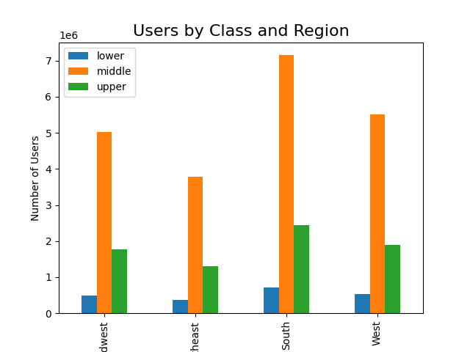
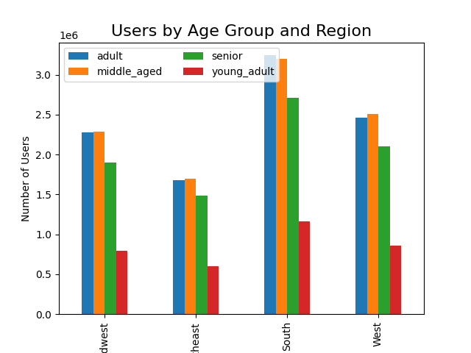

Most of Instacarts customers are middle class Americans with the largest regional market being |  | The two largest age demegraphics for Instacart users are Adults and Middle Age.
middle class southerners. The Northeast is currently the smallest market for Instacart. |  | Young Adults is the smallest market, unsurprising because most under-17s don’t
 |  | do the grocery shopping.

7. Data Driven Recommendations
Recommendations

Question 1
What are the busiest days of the week for Instacart orders?
Data
The weekend is the busiest time for Instacart with Saturday being the biggest shopping day. Wednesday is the slowest day of the week closely followed by Tuesday.

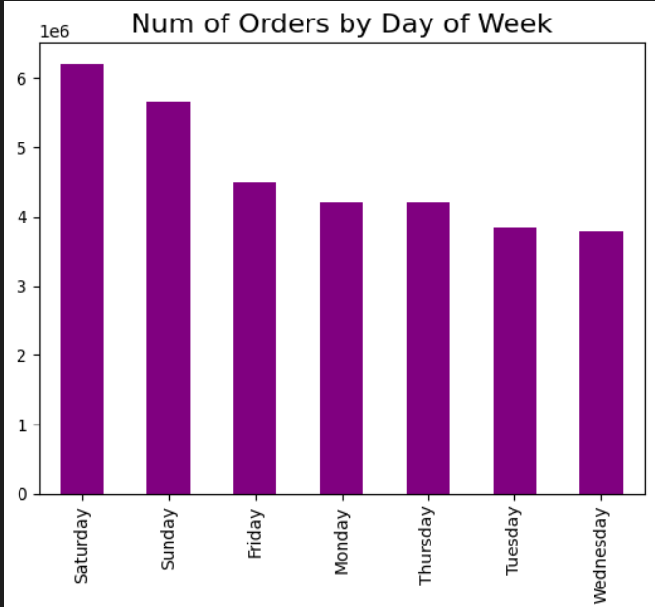

Recommendation
Ads and push notifications during the slow days, Tues, Wed, Thurs, Mon, could increase orders on those days, either increasing sales or taking some stress off the busy weekend days.

Question 2
What are the busiest hours of the day for Instacart orders?
Data
10 and 11 in the morning are the busiest times for Instacart orders. The slowest times for orders is 3 and 4 in the morning.
The average order price is highest at 4am and is lower between 9am and 3pm, the time that the number of orders is highest.
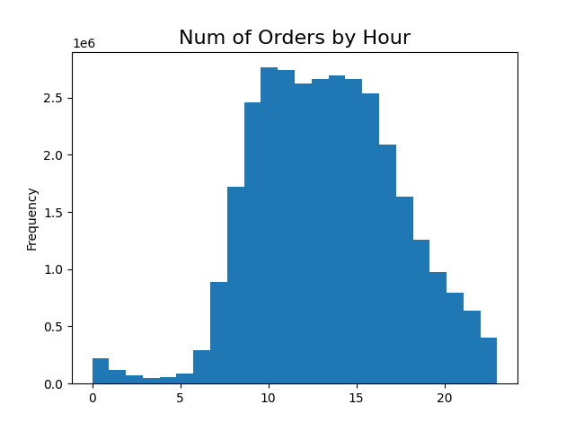
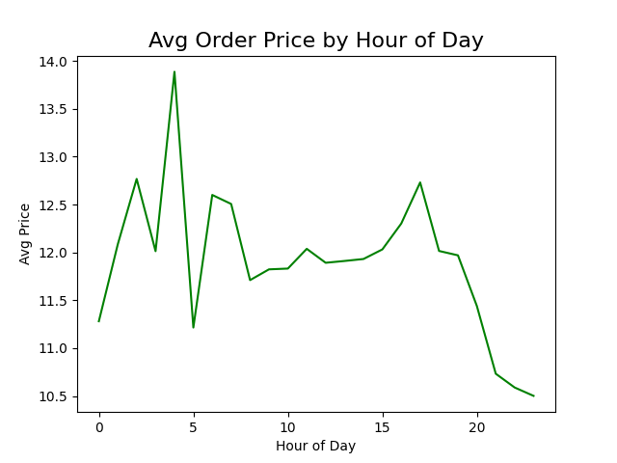

Recommendation
High price sales happen in the early morning or at night. Marketing should do research to see who is making these orders, early morning orders may be restaurants preping for the day and night orders from alcohol.

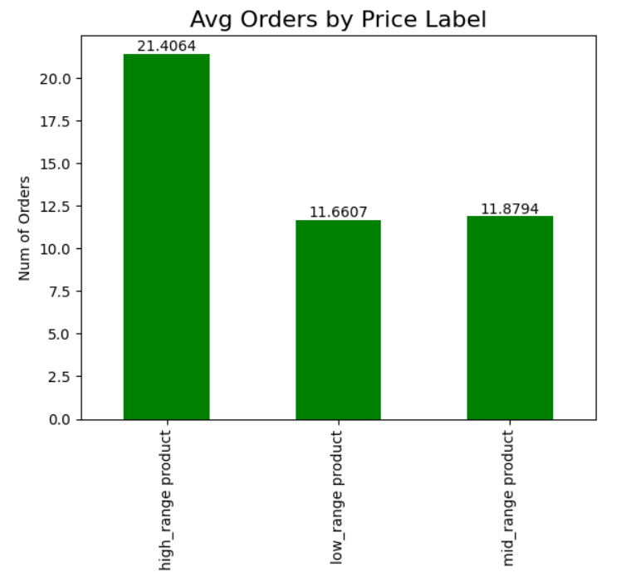
Question 3
Of the different price labels, what sells the most?
Data
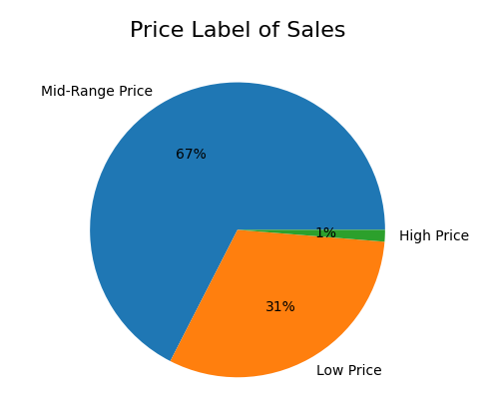

Recommendation
Products with a mid range price have the most number of sales. The high range products
have the highest average price but don’t sell well. Marketing can look at advertising for
high price to increase sales.

Question 4
Are certain product types more popular than others?
Data
By far the most popular product type is produce, followed by dairy/eggs. The least popular departments are other and bulk.
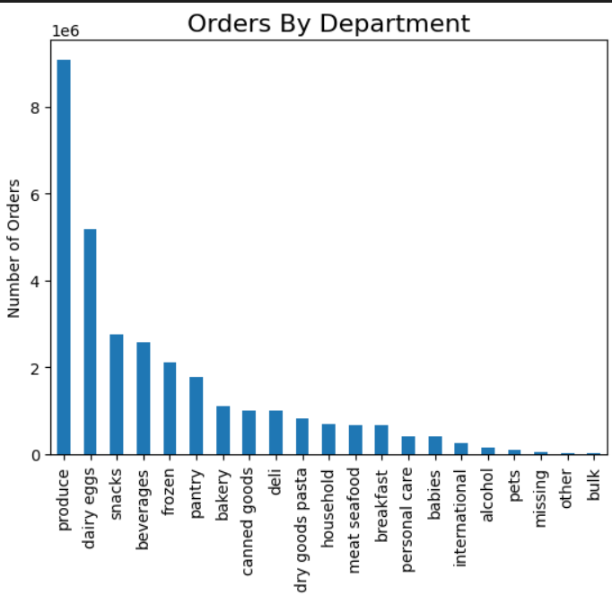

Recommendation
Given the popularity of product and dairy/eggs, marketing may want to look at creating ads or cupons for less popular departments to increase sales.

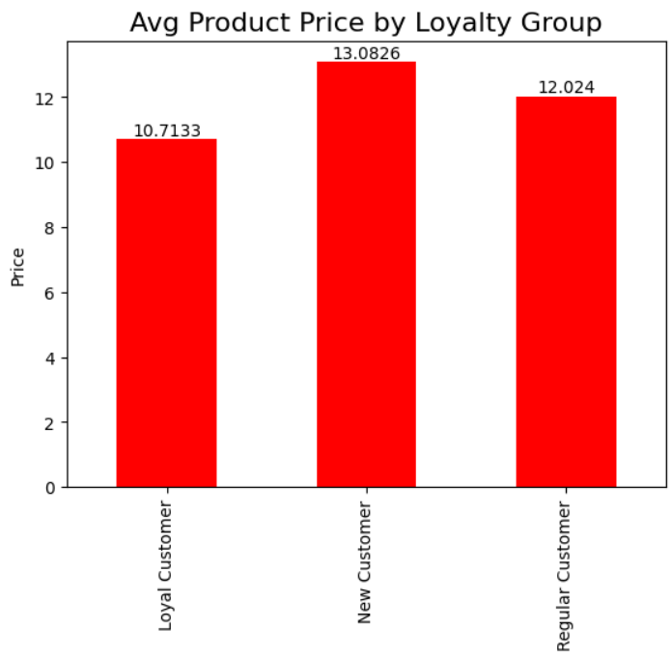
Question 5
How often do users return to Instacart?
Data
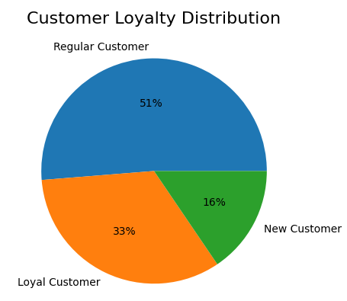

Recommendation

84% of users are regular or loyal customers meaning they have used Instacart at
least 6 times. However new users tend to spend the most money so marketing
should target people who don’t already use Instacart

Question 6
How do demographic factors such as age, income, marital status, and region affect orders?
Data
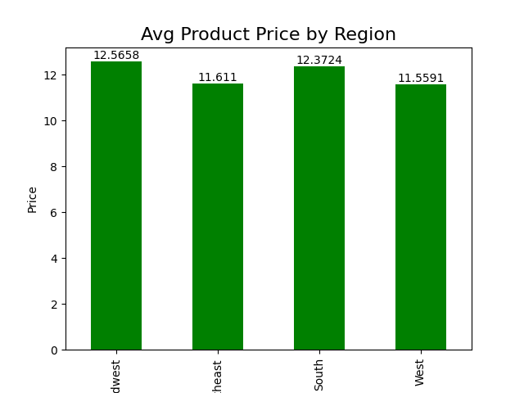
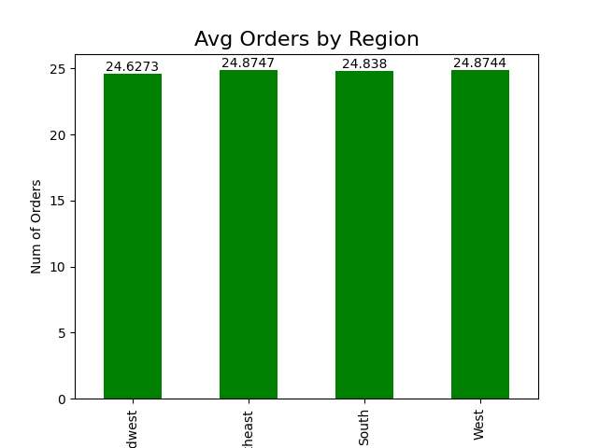

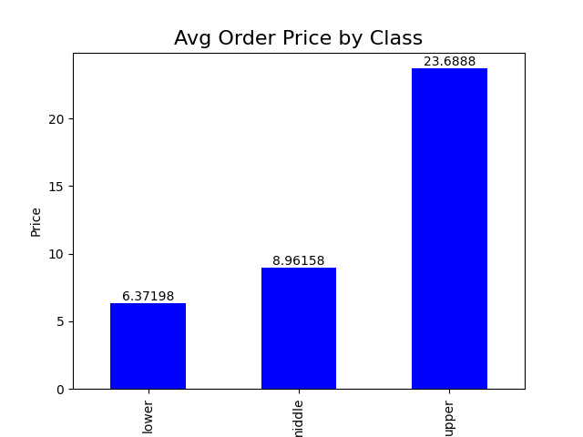
While all 4 regions of the country have about the same number of orders per customer, the Midwest and the South tend to spend more money per order.
Focusing ads on these regions could help profits if the trend stays consistent over time
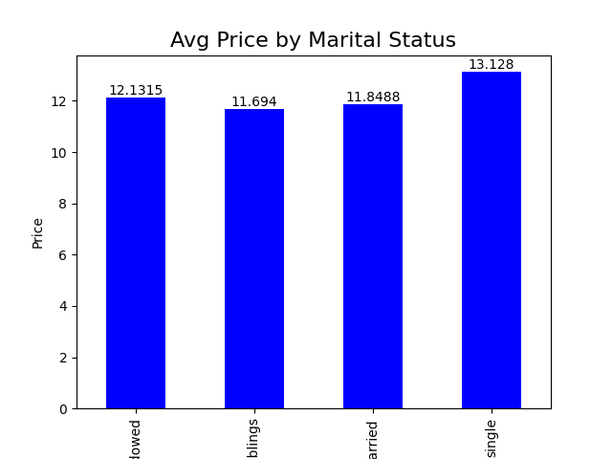

Recommendation

Single individuals tend to spend more, probably due to a higher disposable income. | Wealthier people are spending much more per order. Increasing Instacarts selection of
Ads targeting this market segment could be beneficial. | fine goods could lead to an increase in profit.

